GUI
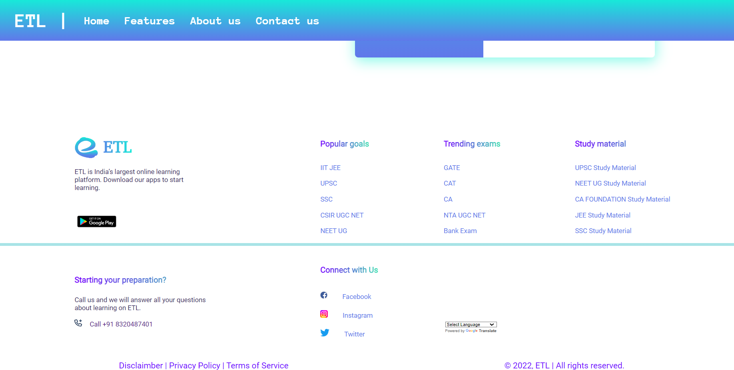
Roles and Responsibilities

21CE144 - PARAM THUMAR
21CE152 - DHRUV VEKARIYA

 |  | 21CE144- Param Thumar Register Page for Learners
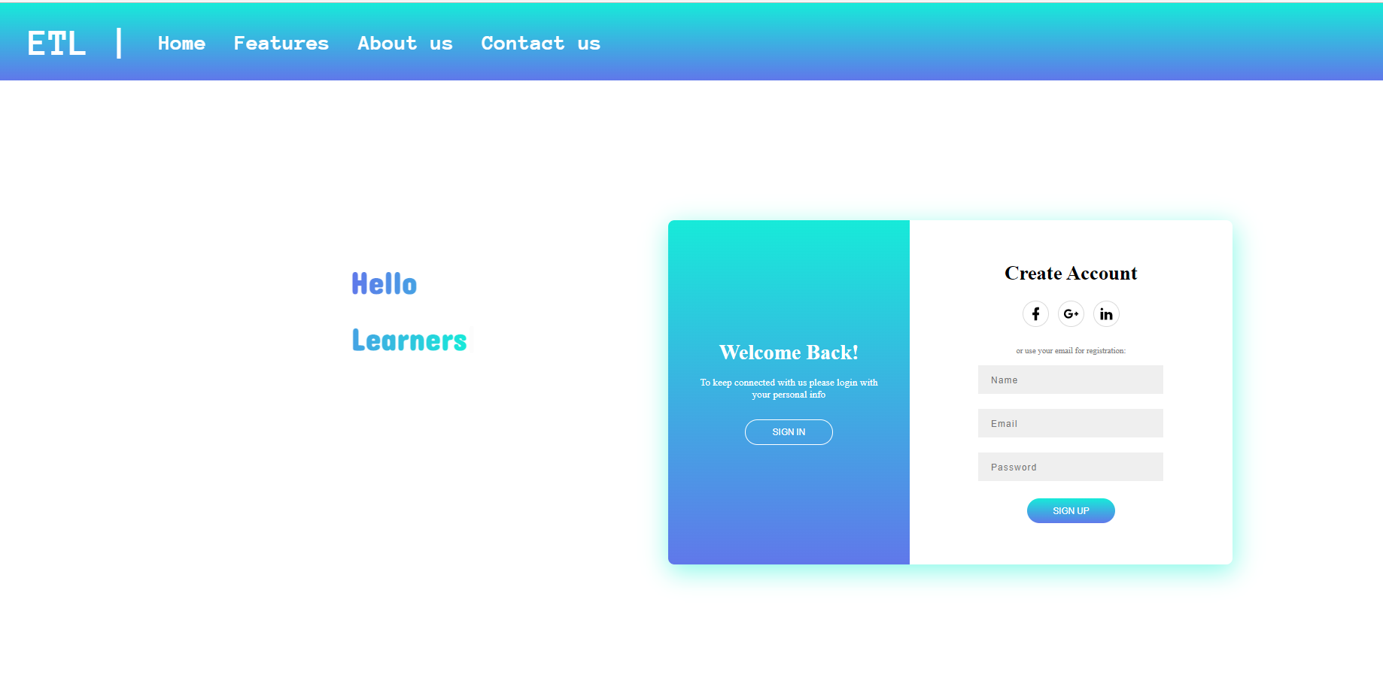

 |  | 21CE144- Param Thumar Register Page for Experts
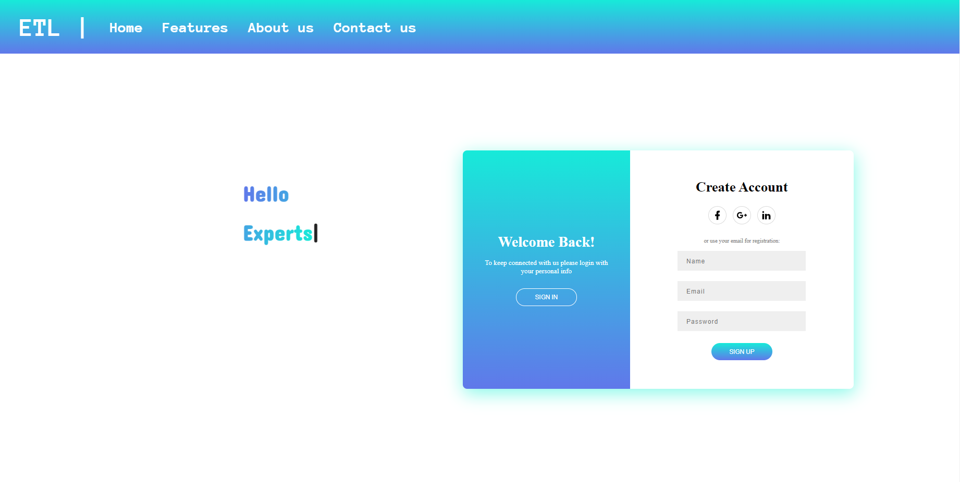

 |  | 21CE144 - Param Thumar Login Page

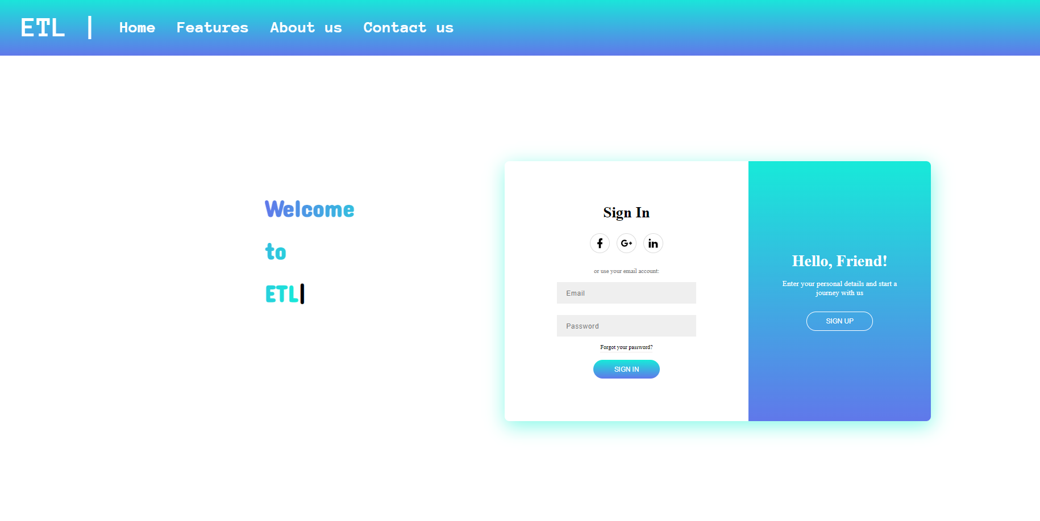

 | 21CE152- Dhruv Vekariya Home Page



 | 21CE152- Dhruv Vekariya Contact us Page

